Sheet1
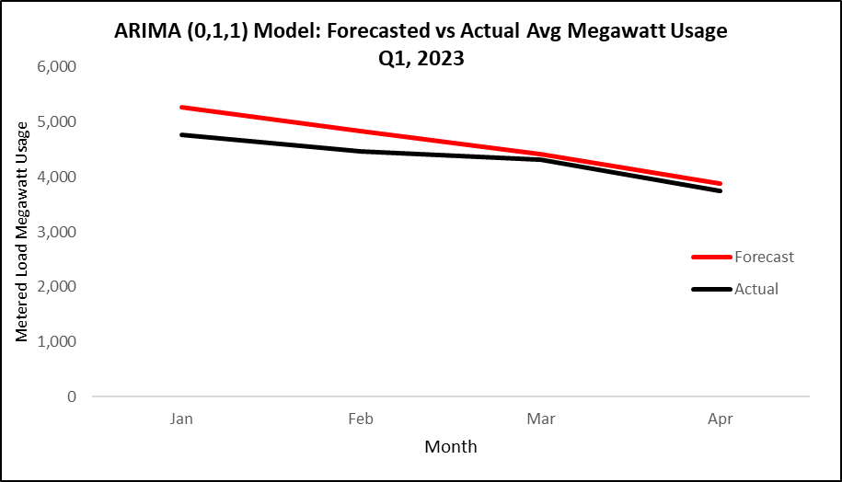
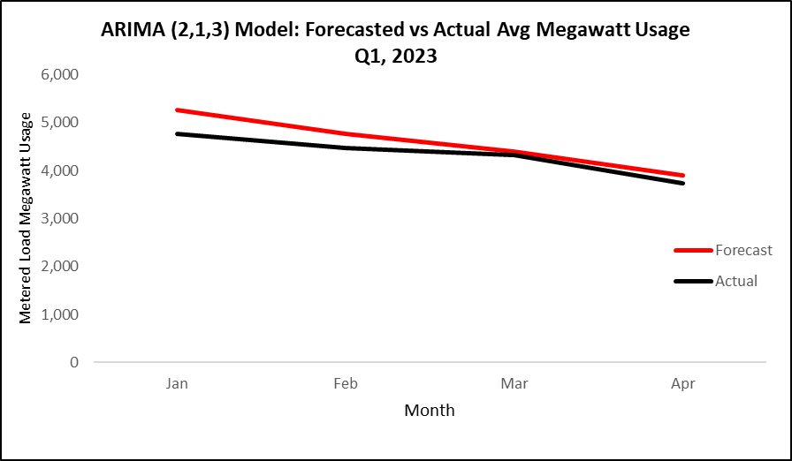
(0,1,1) Model |  |  | (2,1,3) Model
Month | Forecast | Actual | Month | Forecast | Actual
Jan | 5266.148 | 4769.686 | Jan | 5269.179 | 4769.686
Feb | 4834.377 | 4463.136 | Feb | 4770.807 | 4463.136
Mar | 4408.033 | 4322.008 | Mar | 4395.271 | 4322.008
Apr | 3874.253 | 3738.732 | Apr | 3902.93 | 3738.732

ARIMA (0,1,1) Model: Forecasted vs Actual Avg Megawatt UsageQ1, 2023
ARIMA (2,1,3) Model: Forecasted vs Actual Avg Megawatt Usage Q1, 2023

